Table 1

Selected Acquisition Report (SAR)
RCS: DD-A&T(Q&A)823-346
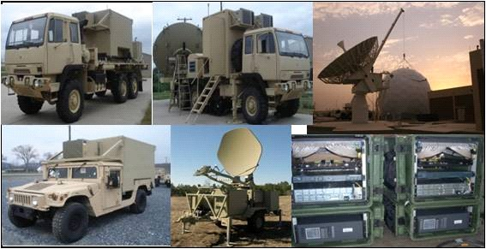
WIN-T INCREMENT 1
As of December 31, 2011
Defense Acquisition Management Information Retrieval
(DAMIR)

Table 7
Schedule

Milestones | SAR Baseline Prod Est | Current APB Production Objective/Threshold |  | Current Estimate
Milestone C | JUN 2007 | JUN 2007 | JUN 2007 | JUN 2007
Initial Operational Test (IOT) (Increment 1a)
Start | OCT 2008 | OCT 2008 | OCT 2009 | OCT 2008
Complete | DEC 2008 | DEC 2008 | DEC 2009 | DEC 2008
Initial Operational Capability (IOC) | JAN 2009 | JAN 2009 | JAN 2010 | JUL 2009
Full Rate Production Decision Review | JUN 2009 | JUN 2009 | JUN 2010 | MAY 2011 1
Operational Test Increment 1b
Start | MAY 2010 | MAY 2010 | MAY 2011 | MAY 2012 1
Complete | AUG 2010 | AUG 2010 | AUG 2011 | MAY 2012 1
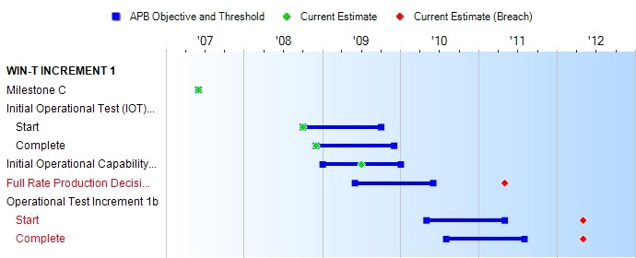
(Ch-1)
(Ch-2)
1APB Breach
Change Explanations
(Ch-1) Current Estimate changed from April 2011 to May 2011 due to an Acquisition Decision Memorandum dated May 21, 2011 that waived requirement for a Full Rate Production decision.
(Ch-2) Increment 1b operational test start date changed from Apr 2012 to May 2012 to accommodate the Army Network Integration Exercise (NIE).

Table 18
Unit Cost History
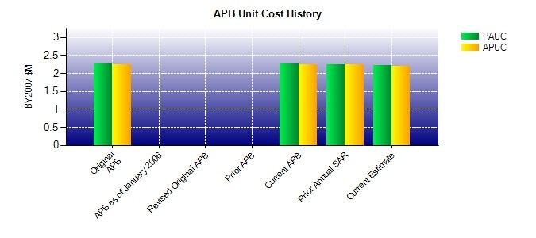
SAR Unit Cost History
Current SAR Baseline to Current Estimate (TY $M)
 |  |  |  |  |  |  | BY2007 $M |  |  |  |  | TY $M
 |  |  | Date |  |  |  | PAUC |  | APUC |  |  | PAUC |  | APUC
Original APB |  |  | OCT 2007 |  |  |  | 2.265 |  | 2.251 |  |  | 2.313 |  | 2.299
APB as of January 2006 |  |  | N/A |  |  |  | N/A |  | N/A |  |  | N/A |  | N/A
Revised Original APB |  |  | N/A |  |  |  | N/A |  | N/A |  |  | N/A |  | N/A
Prior APB |  |  | N/A |  |  |  | N/A |  | N/A |  |  | N/A |  | N/A
Current APB |  |  | OCT 2007 |  |  |  | 2.265 |  | 2.251 |  |  | 2.313 |  | 2.299
Prior Annual SAR |  |  | DEC 2010 |  |  |  | 2.251 |  | 2.232 |  |  | 2.313 |  | 2.294
Current Estimate |  |  | DEC 2011 |  |  |  | 2.209 |  | 2.191 |  |  | 2.270 |  | 2.250
Initial PAUC Prod Est | Changes |  |  |  |  |  |  |  |  |  |  |  | PAUC Current Est
 | Econ | Qty |  | Sch | Eng | Est |  | Oth |  | Spt | Total
2.313 -0.008 -0.100 0.000 0.000 -0.104 0.000 0.169 -0.043 2.270
Current SAR Baseline to Current Estimate (TY $M)
Initial APUC Prod Est | Changes |  |  |  |  |  |  |  |  |  |  |  | APUC Current Est
 | Econ | Qty |  | Sch | Eng | Est |  | Oth |  | Spt | Total
2.299 -0.008 -0.098 -0.001 0.000 -0.111 0.000 0.169 -0.049 2.250

